Sheet1
Personal Work Log

Nikkolas Diehl - 16945724

Total Hours Spent on the Computer Graphics Assignement 1: 53.5 |  |  |  |  |  | Number of Logs: 15

Date | Hours | Difficulty with task |  |  | What did I learn | Personal Reflection Of Events During This Time
 |  | Easy | Moderate | Hard
2019-04-01 | 2 |  |  |  | Camera coding, lighting coding and setting up a 3D environemnt | Today I spent the majority of the time working on the 3D environment set up. Connected camer and even listeners and lightning

2019-04-03 | 3 |  |  |  | __ | 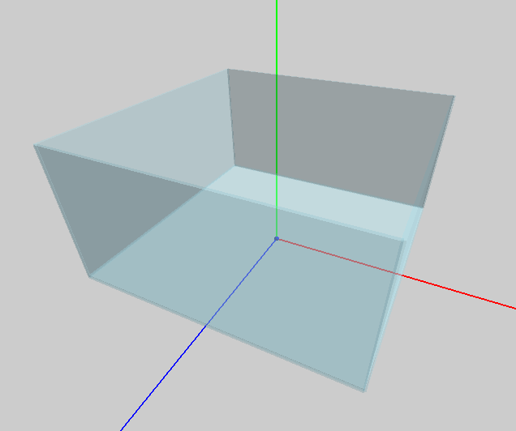 Spent the entire time setting up the tank. It uses 5 cubes that are all scaled by the same variables. 4 of them act as walls, and 1 of them is the floor that is lower down. I also added debugging functionality to scale and change the size of the tank at will

2019-04-08 | 1 |  |  |  | __ | Worked more on the tank and scaling so it was working correctly. I had not gotten it working before but now it was working

2019-04-10 | 2 |  |  |  | __ | 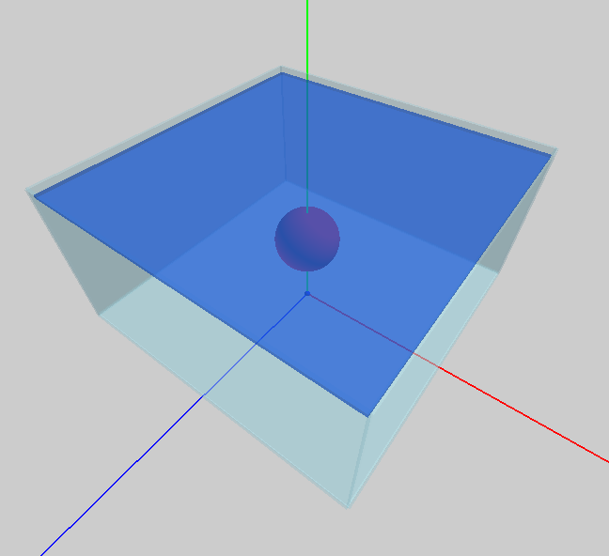 Finished off the tank and started the fish. It has a weird bug through where you can see through it. Also got the water top surface working and scaling correctly to the tank so that it looks like it's inside the tank.

2019-04-14 | 1 |  |  |  | I learnt that the depth testing itself doesn't need to be disabled for transparent objects | I finally found the bug that the fish had where it was partially see through. After some playing around with the order of the glass and fish drawing I instead just played around with the order of options disabled or enabled and found that if I ONLY disabled depth masking rather than depth masking and depth testing it worked and allowed for a fully opaque object with transparent objects appearing correctly behind and infront of it.

2019-04-14 | 3 |  |  |  | __ | 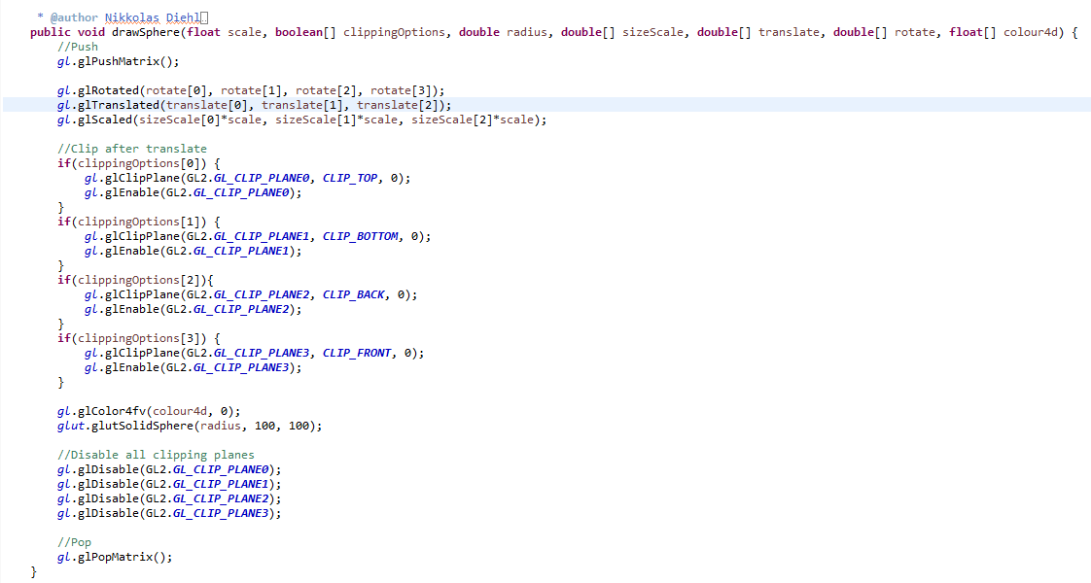 Fixed up the water so that it was no longer a cube but rather a normal GL_QUADS. This was because I didn't find the cube to be very realistic since the water only sat on the top and somehow had a thickness. I then made the sphere function that I developed alot more modular and got it ready for clipping plane control and sizing. I also replicated the same modularity in a new cylinder function that used glu.gluCylinder()

2019-04-14 | 3 |  |  |  | __ | 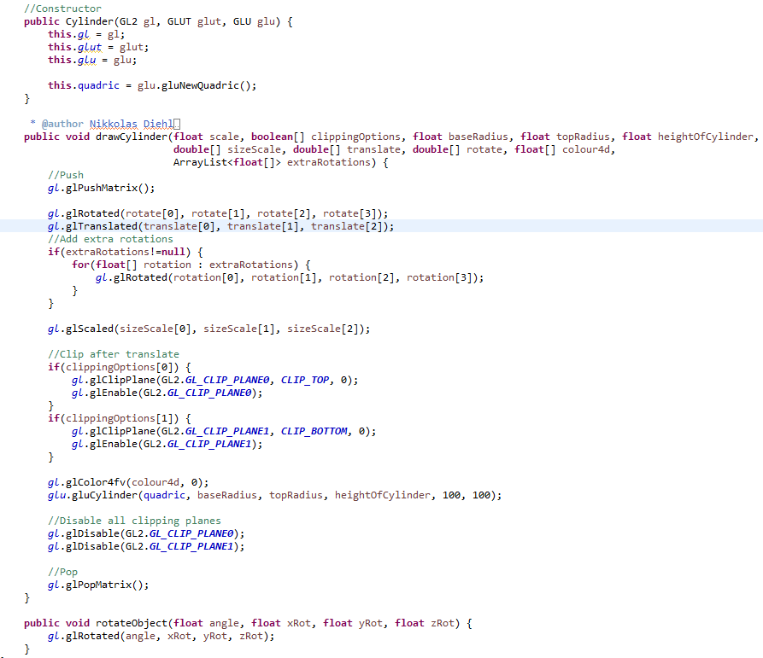 Worked on redesigning my fish. I finally decided on going with an actual whale that would swim around and randomly jump. I also decided how I wanted to animate the jumping and swimming but would still need to plan it out.

2019-04-14 | 3 |  |  |  | __ | Worked more on redesigning my fish. Once I had all the modularity down pat, I finally started working on a hirachical model of my fish. This took a while to plan out as I had some bugs such as rotation, scaling and translation having to go in a very specific order in order for the modularity to still work perfectly and be easy to use. I made good progress on my whale as well. I got the bottom of its body, the front of its mouth and the teeth all properly placed and scaled correctly and all of them moved, rotated and scaled off of one single position value.

2019-04-15 | 6 |  |  |  | I learnt that you can globally translate and rotate an object made from many different polygons | 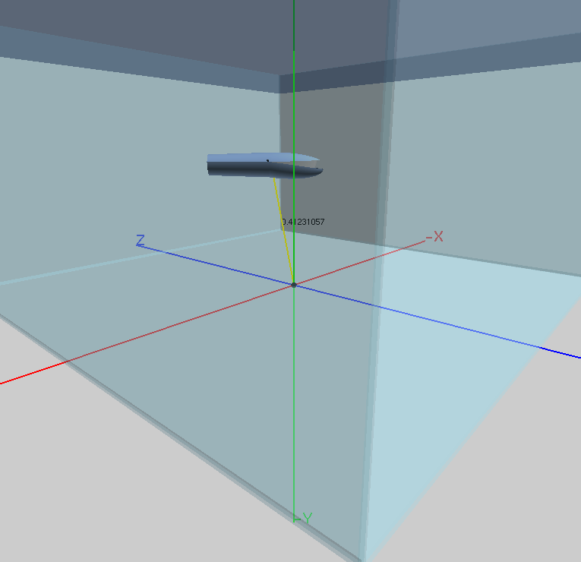 I spent over 6 hours getting the basics of my whale all set up, scaled properly, rotating and translating how I wanted and for a sense of realism with my whale. The hardest thing was getting the translation and rotation in the correct order but after hours on working out how to do that without breaking my entire object, I found out you can just scale, rotate and translate the entire object as if it where one and I finally had a working nice looking front end of my whale. I then started researching some ways to make some custom shapes.

2019-04-15 | 1 |  |  |  | I just learnt a small bit of how to program a custom 3D shape. | 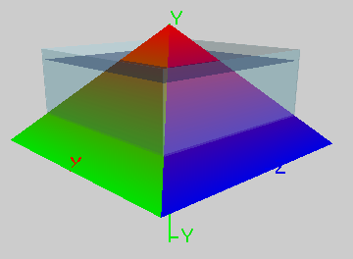 I originally thought it was going to be quite difficult but it's almost the exact same as 2D shapes but with a Z axis. I fiddeled around with making a pyramid but found the amount of code needed for such a shape to be too much so started looking for some parametric equations that would solve my issue. Shown here is the pyramid I was testing. After a while I found what's called the: Super Forumula. This formula allows me to make any kind of shape within reason which are called super shapes. Of course the shapes where quite hard to customise and very difficult to get right so I wasn't sure if I wanted to use this formula. Attached here is a video of me playing around with it: https://i.gyazo.com/5bfddc0710d183eb434a24bfc206e1f8.mp4

2019-04-15 | 3 |  |  |  | __ | 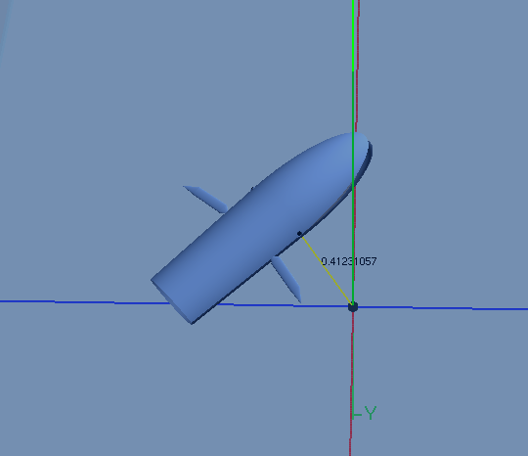 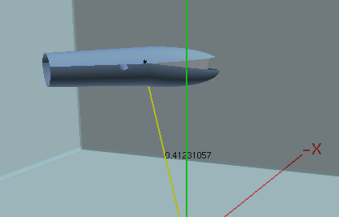 I worked some more time today after dinner and after a meeting with a team mate on finishing off the whale. I made a lot of progress and developed a cone object generator class which was then used in conjuction with cylinders to create the two front fins of the whale. I also played around with coding on my 1440p monitor in protrait mode so I could see more code at once. Bellow is the whale with the fins now complete and the attached video is my code at the current stage to generate the whale displayed on a protrait mode 1440p monitor: https://i.gyazo.com/72e8f8dedba43b6d159e063625037d15.mp4

2019-04-16 | 9 |  |  |  | __ | 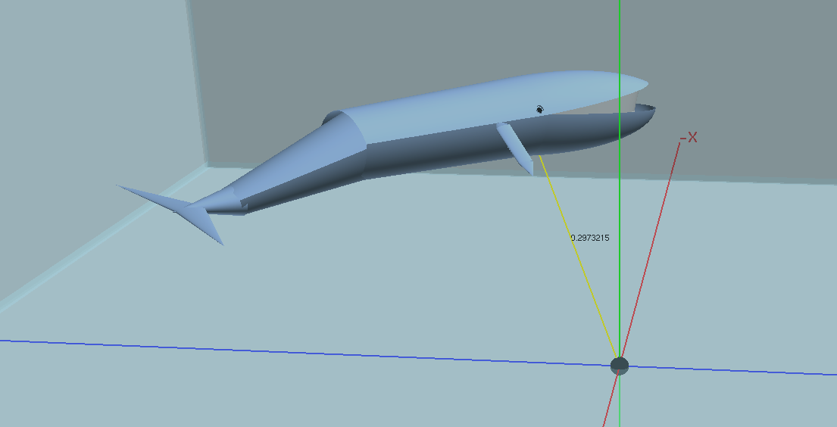 Worked extensive amounts of time getting the whale completed as well as cleaning up the code so that it ran better, took up less lines, and was more easily controlled. The whale is now officially done in terms of it's proportions, scaling, movement and so on. Animation will hopefully follow suit soon

2019-04-17 | 1.5 |  |  |  | __ | Worked for a bit just getting the whale completely finished with some easily accessable global rotation variables for fin and tail animation. Then spent about 30 minutes setting up basic body part animation to look as realistic as possible. Attached here is my first animation testing with the body parts. Actually ended up working out really well https://i.gyazo.com/4bd5f927716cafeab6c96d58534ca820.mp4

2019-04-17 | 5 |  |  |  | __ | 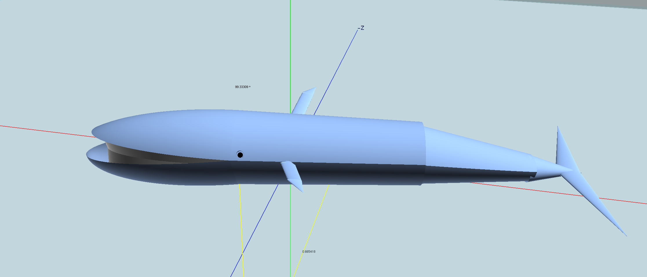 Worked for 5 hours on getting the animation working for the whale. The body part animation was already working but I wanted the whale to slowly swim around the tank. In the end I got that working by generating a ring of 3D points every time the size of the tank was changed. After the points where generated the whale would then continuously interpolate in 3D space to the next point in the ArrayList. I also did the same thing for the angle of the whale which was generated from the ring angle where angle of the whale = 180-degrees. This means the whale was always facing 90 degrees off of the ring of 3D points as it aniamted around. This all turned out really really well. Well beyond my expectations since the idea to do this dynamically changing animation pathing came to me a few nights ago. However, there was one problem at this time. The animation wasn't very smooth and the whale would jankely move between each point. I wanted a continuously smooth animation between each point. But at this point I wanted to take a break. Attached here is 3 videos of the whale in the first development phases of the animation. I also made it so the animation pathing function could easily be switched between swimming and jumping. The later of which still needed to be programmed: https://i.gyazo.com/705355d119c58ac152e8156ec537ac16.mp4, https://i.gyazo.com/bec10891342d55758e16d9b672edb691.mp4, https://i.gyazo.com/59f64cc33bb72452f999047a5b813cb1.mp4

2019-04-19 | 10 |  |  |  | __ | 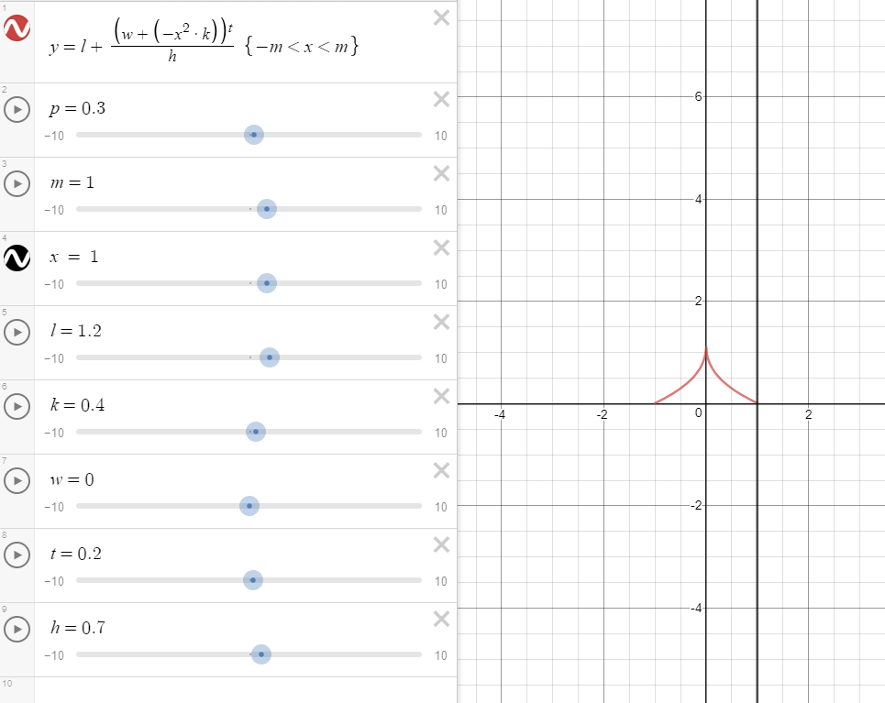 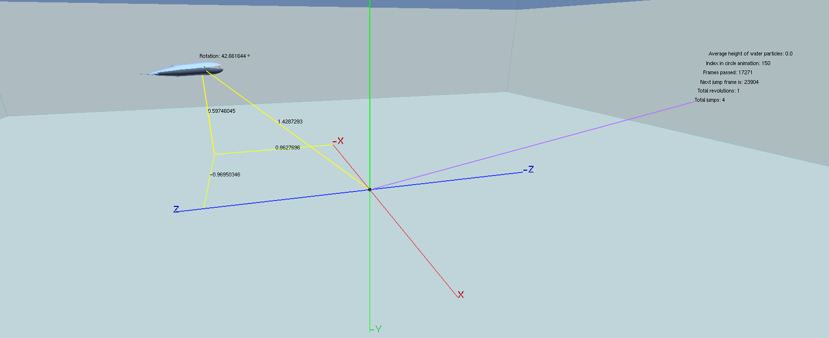 I literally stayed up and worked on this assignement from 12am at night, till 8.55am in the morning (this was mostly because we had a flight the day after which we had to be up at 2am for so I purposfully fucked my sleeping cycle to be able to wake up at 2am). I made huge progress. 1 - Fixed up a lot of the issues I had with the ring animation. It became smooth and nice and slow which is what I wanted. 2 - I started the jump animation as a path animation the same way I had done the ring and wasted about 3 hours on that before realising it would be way too hard to try do that. I ended making a path that the whale followed using a really cool complex euqation that is shown bellow. In the end I moved the animation style to a velocity based one with a dy, dx and dz that made the whale appear to much more realistically jump up out of the water. 3 - Added heaps of debugging data to a nice little 'spindle' like object that always rotates with the whale but on the opposite side of the tank (an image is shown bellow of this). 4 - Added actual rotation to the jump. It's a little iffy cause it's quite hard to quickly transition from jumping to the circle animation. 5 - Added a particle system that spawns anywhere from 100-200 particles (little spheres with very little detail) directly on the whale when his y position is equal to the height of the water. So when he jumps up out he spawns a set of particles and then when he hits the water on the way back down he spawns another set of particles which I think looks quite good. Attached here is a video of it in action: https://i.gyazo.com/32bd4324b3343c0f3ae2a337f520e5f4.mp4

2019-04-20

